MATLAB
img size | chanel | saved file | dataSize | nTrData | nTeData | nClass | init-LR | LR-sched | epoch | time | solver | batchsize | device | trAcc | teAcc | Layers
128 | 48 | .mat | 12.9G | 1885 | 471 | 11 | 0.1 | piecewise | 8 | ? | adam | 128 | gpu | 12 | 8.3 | conv2d-3,32,same fc11
128 | 48 | .mat | 12.9G | 1885 | 471 | 11 | 0.1 | piecewise | 8 | 47m | adam | 128 | gpu | 12 | 11.6 | conv2d-3,32,same conv2d-3,64,same conv2d-3,128,same fc128 - fc11
128 | 48 | .mat | 12.9G | 1885 | 471 | 11 | 0.1 | piecewise | 8 | 27m | adam | 128 | gpu | 12 | 11.2 | conv2d-5,32 mpool2d-5 conv2d-5,64,same mpool2d-5 fc128 - fc11
28 | 16 | mat |  |  |  |  |  |  |  |  |  |  |  |  | 44 |  | 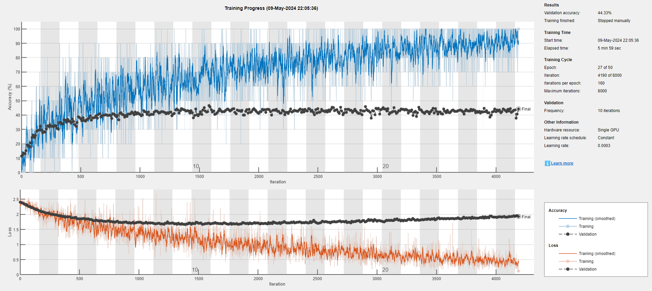
 |  |  |  |  |  |  |  |  |  |  |  |  |  |  | 43 |  | 